Dashboard
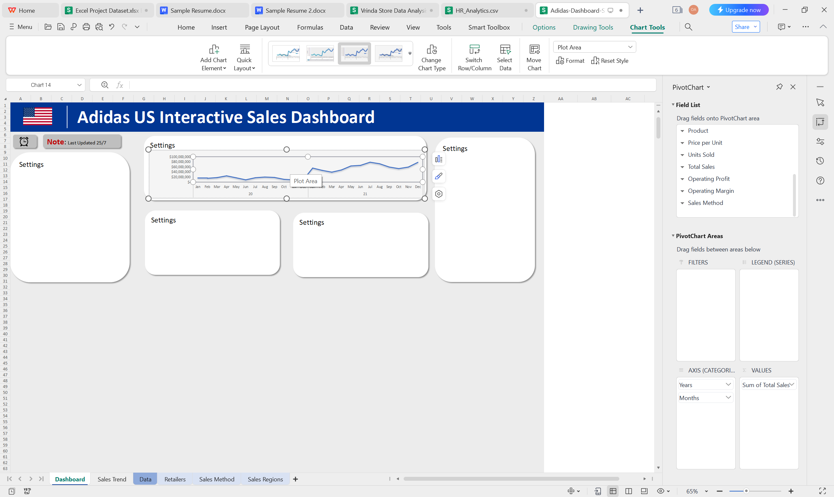
Adidas US Interactive Sales Dashboard

Note: Last Updated 25/7
Sales in USD
Sales Method

Settings
 | Total
Jan | $16,253,746
Feb | $14,997,988
Mar | $17,660,577
Apr | $24,607,006
May | $16,918,014
Jun | $8,829,819
Jul | $17,146,013
Aug | $19,877,980
Sep | $18,304,436
Oct | $10,836,269
Nov | $8,622,300
Dec | $8,026,527
Jan | $55,225,396
Feb | $46,102,165
Mar | $39,148,532
Apr | $47,732,964
May | $63,589,681
Jun | $65,917,553
Jul | $78,334,681
Aug | $72,288,221
Sep | $59,357,023
Oct | $53,074,764
Nov | $59,235,040
Dec | $77,815,430

 | Total
In-store | 39.63%
Online | 27.52%
Outlet | 32.85%

Sales By Retailer
 | Total
West Gear | $242,964,333
Foot Locker | $220,094,720
Sports Direct | $182,470,997
Kohl's | $102,114,753
Amazon | $77,698,912
Walmart | $74,558,410

Sales Trend
Years | Months | Sum of Total Sales
20 |  | $182,080,675
 | Jan | $16,253,746
 | Feb | $14,997,988
 | Mar | $17,660,577
 | Apr | $24,607,006
 | May | $16,918,014
 | Jun | $8,829,819
 | Jul | $17,146,013
 | Aug | $19,877,980
 | Sep | $18,304,436
 | Oct | $10,836,269
 | Nov | $8,622,300
 | Dec | $8,026,527
21 |  | $717,821,450
 | Jan | $55,225,396
 | Feb | $46,102,165
 | Mar | $39,148,532
 | Apr | $47,732,964
 | May | $63,589,681
 | Jun | $65,917,553
 | Jul | $78,334,681
 | Aug | $72,288,221
 | Sep | $59,357,023
 | Oct | $53,074,764
 | Nov | $59,235,040
 | Dec | $77,815,430
Grand Total |  | $899,902,125

Retailers
Retailer | Sum of Total Sales
West Gear | $242,964,333
Foot Locker | $220,094,720
Sports Direct | $182,470,997
Kohl's | $102,114,753
Amazon | $77,698,912
Walmart | $74,558,410
Grand Total | $899,902,125

Sales Method
Sales Method | Sum of Total Sales
In-store | 39.63%
Online | 27.52%
Outlet | 32.85%
Grand Total | 100.00%

